Sheet1
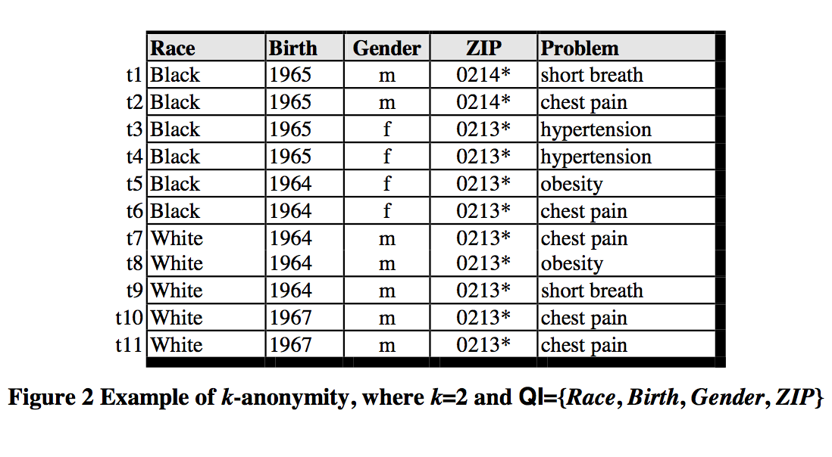
Disease |  | Medicine
Disease 1 | 1 | Medicine 1 | 1 |  | 11
Disease 2 | 1 | Medicine 2 | 1 |  | 5
Disease 3 | 0.7 | Medicine 3 | 0.7

 |  |  |  | Birth | Gender | Zip | Problem
 |  |  |  | 1965

